Managed Industrial Switches
Shenzhen SmartByte Technology Co.,Ltd Address.: D Buliding, Huiqing Science & Technology Park, Dafu Industrial Area, Kukeng Community, Guanlan, Longhua District, Shenzhen, China Web: www.smartbyte-switch.com E-mail: peter@smartbyte.com.cn Mobile/Wechat/Whatsapp/Skype: +8613714293521
Picture | SmartByte Model | Description & Highlight | Unit price/RMB未税, 价格有效期2026.09.01-2026.12.30 | PoE models | PoE model price | PoE++
Layer 2 Managed Industrial Ethernet Switches Full Gigabit Series
 | LT-IS3206F-2FX4TX | ● 4*10/100Base-T RJ45 ports, 1*100Base-X SFP ports ● DC 12~58V input, redundant power supply with polarity reverse/over-voltage protection ● Support Layer 2 management function: VLAN/Port Mirroring/STP/RSTP/IGMP/QoS/LLDP/802.1X/SFP DDM /PoE management/IPV6 management/Web/SNMP/Telnet/management ●Support G.8032 ERPS protocol, recovery time ≤20ms ●Support 4KV surge protection and ESD: Air-15kV, Contact-8kV Protection ● IP40 fan-less and Din-rail hardware design ● Operation temperature: -40 ℃ ~+75℃ | ￥280 | LT-IS3206FP-2FX4TX | ￥320 | None
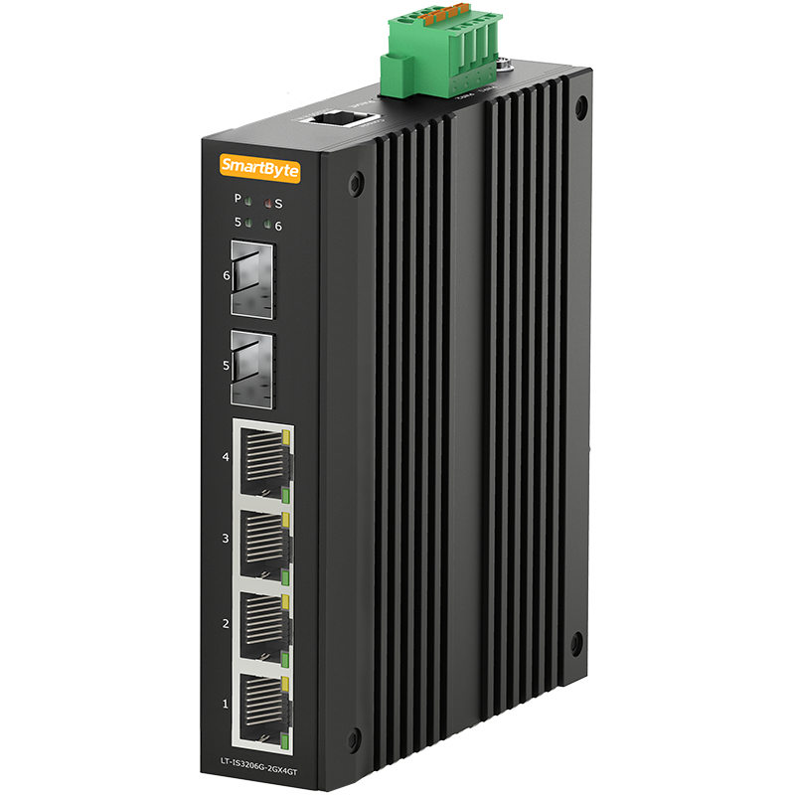 | LT-IS3206G-2GX4GT | ● 4*10/100/1000Base-T RJ45 ports, 2*100/1000Base-X SFP ports ● DC 12~58V input, redundant power supply with polarity reverse/over-voltage protection ● Support Layer 2 management function: VLAN/Port Mirroring/STP/RSTP/IGMP/QoS/LLDP/802.1X/SFP DDM /PoE management/IPV6 management/Web/SNMP/Telnet/management ●Support G.8032 ERPS protocol, recovery time ≤20ms ●Support 4KV surge protection and ESD: Air-15kV, Contact-8kV Protection ● IP40 fan-less and Din-rail hardware design ● Operation temperature: -40 ℃ ~+75℃ | ￥320 | LT-IS3206GP-2GX4GT | ￥360 | None
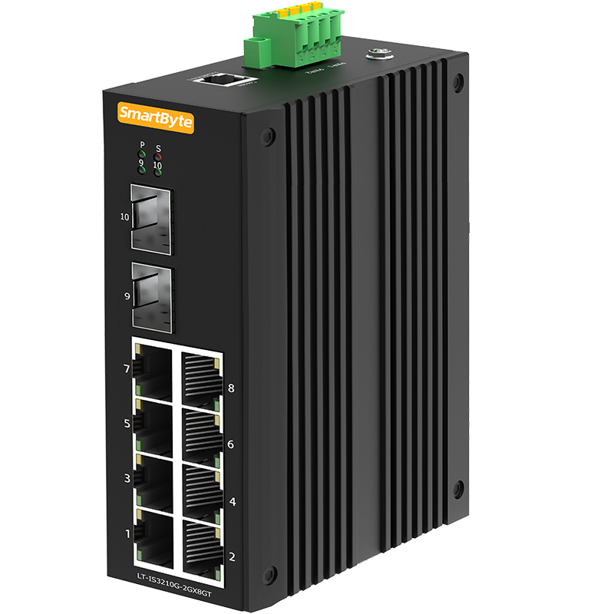 | LT-IS3210G-2GX8GT | ● 8*10/100/1000Base-T RJ45 ports, 2*1000/2500Base-X SFP ports ● DC 12~58V input, redundant power supply with polarity reverse/over-voltage/over-current protection ● Support Layer 2 management function: VLAN/Port Mirroring/STP/RSTP/IGMP/QoS/LLDP/802.1X/SFP DDM /PoE management/IPV6 management/Web/SNMP/Telnet/management ●Support G.8032 ERPS protocol, recovery time ≤20ms ●Support 4KV surge protection and ESD: Air-15kV, Contact-8kV Protection ● IP40 fan-less and Din-rail hardware design ● Operation temperature: -40 ℃ ~+75℃ | ￥380 | LT-IS3210GP-2GX8T | ￥440 | None
Layer 2+ Managed Industrial Ethernet Switches Full Gigabit Series
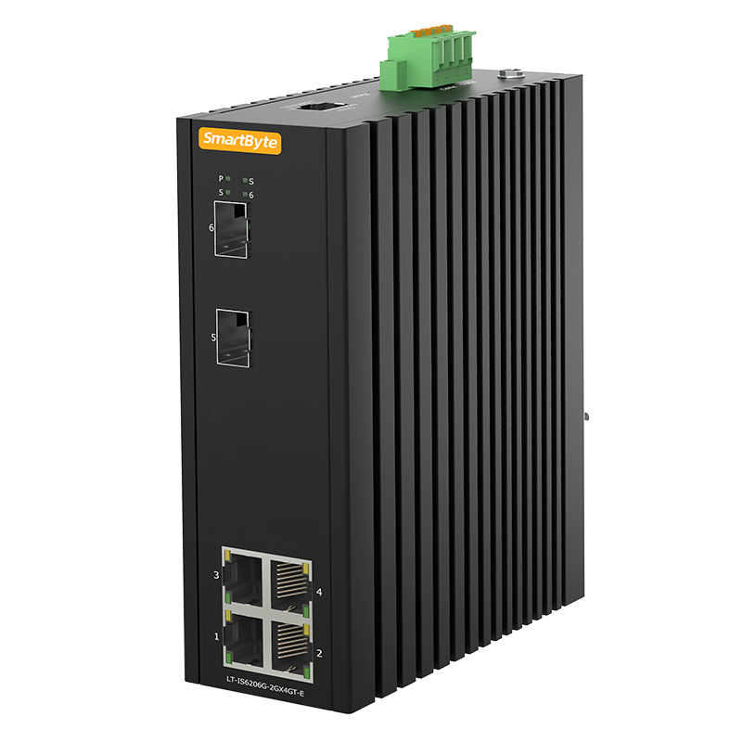 | LT-IS6306G-2GX4GT | ● 4*10/100/1000Base-T RJ45 ports, 2*1G/2.5GBase-X SFP ports ● DC 12~58V input, redundant power supply with polarity reverse/over-voltage/over-current protection ● Layer 3 features: Support IPv4/IPv6 static routing, DHCP server ● Support Layer 2 management function: VLAN/VLAN Classification/QinQ/STP, RSTP, MSTP/Port Mirroring/DHCP/Multicast/ACL/IGMP/QoS/LLDP/802.1X/Dying Gasp/SFP DDM/PoE management/IPV6 management/Web/SNMP/Telnet/TFTP/Web upgrading ●Support G.8032 ERPS protocol, recovery time ≤20ms ●Support 6KV surge protection and ESD: Air-15kV, Contact-8kV Protection ● IP40 fan-less and Din-rail hardware design ● Operation temperature: -40 ℃ ~+75℃ | ￥660 | LT-IS6306GP-2GX4GT | ￥720 | LT-IS6306GP-2GX4GT-2BT(1-2 ports support PoE++), the unit price is 820 RMB未税
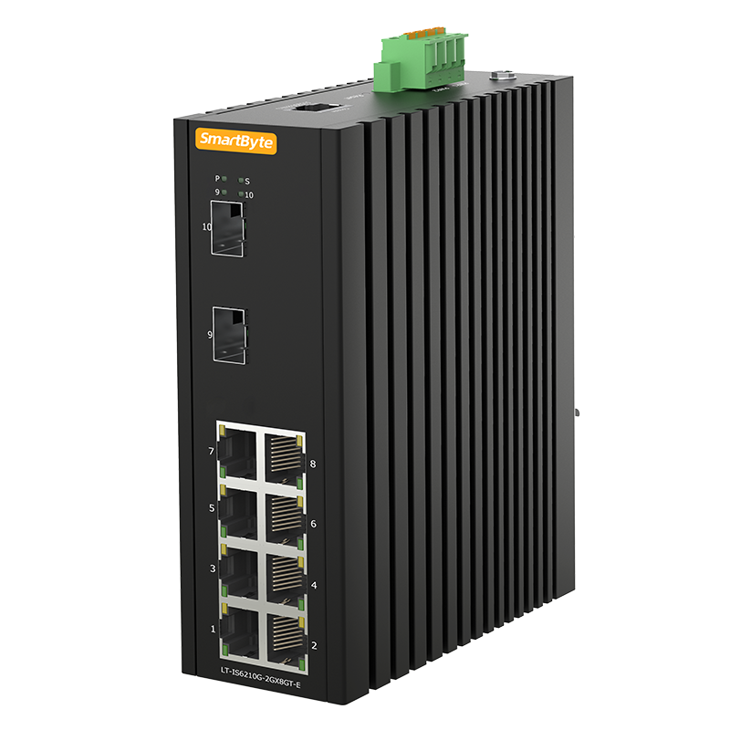 | LT-IS6310G-2GX8GT | ●8*10/100/1000Base-T RJ45 ports, 2*1G/2.5GBase-X SFP slots ● DC 12~58V input, redundant power supply with polarity reverse/over-voltage/over-current protection ● Layer 3 features: Support IPv4/IPv6 static routing, DHCP server ● Support Layer 2 management function: VLAN/VLAN Classification/QinQ/STP, RSTP, MSTP/Port Mirroring/DHCP/Multicast/ACL/IGMP/QoS/LLDP/802.1X/Dying Gasp/SFP DDM/PoE management/IPV6 management/Web/SNMP/Telnet/TFTP/Web upgrading ●Support G.8032 ERPS protocol, recovery time ≤20ms ●Support 6KV surge protection and ESD: Air-15kV, Contact-8kV Protection ● IP40 fan-less and Din-rail hardware design ● Operation temperature: -40 ℃ ~+75℃ | ￥700 | LT-IS6310GP-2GX8GT | ￥780 | LT-IS6310GP-2GX8GT-2BT(1-2 ports support PoE++), the unit price is 880 RMB未税
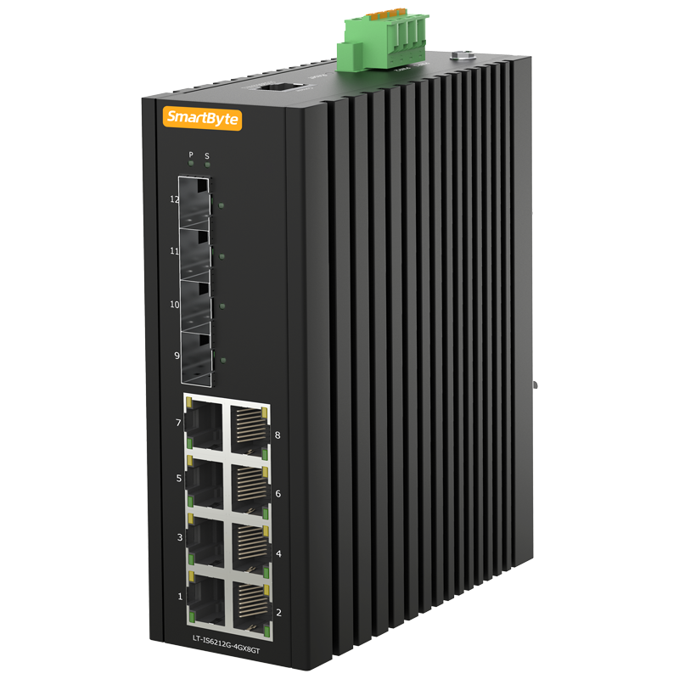 | LT-IS6312G-4GX8GT | ●8*10/100/1000Base-T RJ45 ports, 4*1G/2.5GBase-X SFP slots ● DC 12~58V input, redundant power supply with polarity reverse/over-voltage/over-current protection ● Layer 3 features: Support IPv4/IPv6 static routing, DHCP server ● Support Layer 2 management function: VLAN/VLAN Classification/QinQ/STP, RSTP, MSTP/Port Mirroring/DHCP/Multicast/ACL/IGMP/QoS/LLDP/802.1X/Dying Gasp/SFP DDM/PoE management/IPV6 management/Web/SNMP/Telnet/TFTP/Web upgrading ●Support G.8032 ERPS protocol, recovery time ≤20ms ●Support 6KV surge protection and ESD: Air-15kV, Contact-8kV Protection ● IP40 fan-less and Din-rail hardware design ● Operation temperature: -40 ℃ ~+75℃ | ￥740 | LT-IS6312GP-4GX8GT | ￥820 | LT-IS6312GP-4GX8GT-2BT(1-2 ports support PoE++), the unit price is 920RMB未税
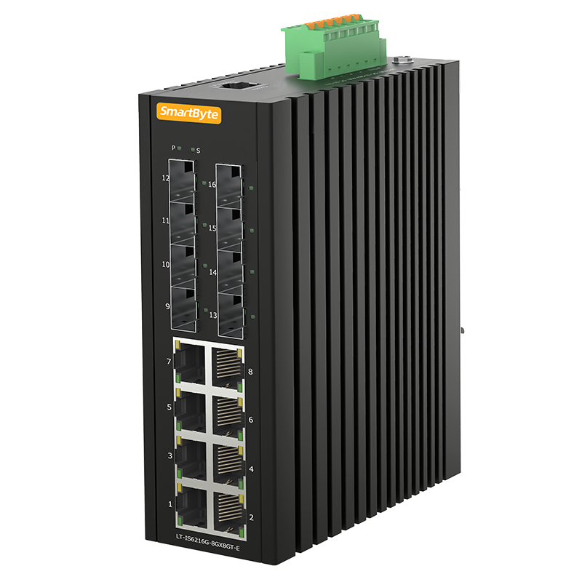 | LT-IS6316G-8GX8GT | ●8*10/100/1000Base-T RJ45 ports, 4*100/1000M SFP, 4*1G/2.5G SFP ● DC 12~58V input, redundant power supply with polarity reverse/over-voltage/over-current protection ●Support one output relay alarm ● Layer 3 features: Support IPv4/IPv6 static routing, DHCP server ● Support Layer 2 management function: VLAN/VLAN Classification/QinQ/STP, RSTP, MSTP/Port Mirroring/DHCP/Multicast/ACL/IGMP/QoS/LLDP/802.1X/Dying Gasp/SFP DDM/PoE management/IPV6 management/Web/SNMP/Telnet/TFTP/Web upgrading ●Support G.8032 ERPS protocol, recovery time ≤20ms ●Support 6KV surge protection and ESD: Air-15kV, Contact-8kV Protection ● IP40 fan-less and Din-rail hardware design ● Operation temperature: -40 ℃ ~+75℃ | ￥1,100 | LT-IS6316GP-8GX8GT | ￥1,180 | AC5 停产，可以用老价格出AC3
 | LT-IS6318G-2GX16GT | ●16*10/100/1000Base-T RJ45 ports, 2*1G/2.5GBase-X SFP slots ● DC 12~58V input, redundant power supply with polarity reverse/over-voltage/over-current protection ●Support one output relay alarm ● Layer 3 features: Support IPv4/IPv6 static routing, DHCP server ● Support Layer 2 management function: VLAN/VLAN Classification/QinQ/STP, RSTP, MSTP/Port Mirroring/DHCP/Multicast/ACL/IGMP/QoS/LLDP/802.1X/Dying Gasp/SFP DDM/PoE management/IPV6 management/Web/SNMP/Telnet/TFTP/Web upgrading ●Support G.8032 ERPS protocol, recovery time ≤20ms ●Support 6KV surge protection and ESD: Air-15kV, Contact-8kV Protection ● IP40 fan-less and Din-rail hardware design ● Operation temperature: -40 ℃ ~+75℃ | ￥1,180 | LT-IS6318GP-2GX16GT | ￥1,340 | None
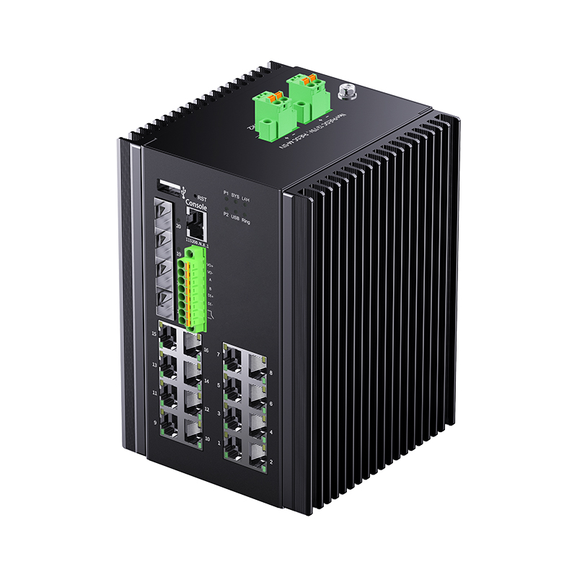 | LT-IS6320G-4GX16GT-D | ●16*10/100/1000Base-T RJ45 ports, 4*1G/2.5GBase-X SFP slots ,DI/DO/RS485 ● DC 12~75V input, redundant power supply with polarity reverse/over-voltage/over-current protection ● Layer 3 features: Support IPv4/IPv6 static routing, DHCP server ● Support Layer 2 management function: VLAN/VLAN Classification/QinQ/STP, RSTP, MSTP/Port Mirroring/DHCP/Multicast/ACL/IGMP/QoS/LLDP/802.1X/Dying Gasp/SFP DDM/PoE management/IPV6 management/Web/SNMP/Telnet/TFTP/Web upgrading ●Support G.8032 ERPS protocol, recovery time ≤20ms ●Support 6KV surge protection and ESD: Air-15kV, Contact-8kV Protection ● IP40 fan-less and Din-rail hardware design ● Operation temperature: -40 ℃ ~+80℃ | ￥1,560 | LT-IS6320GP-4GX16GT-D | ￥1,760 | LT-IS6320GP-4GX16GT-D-4BT, 1960
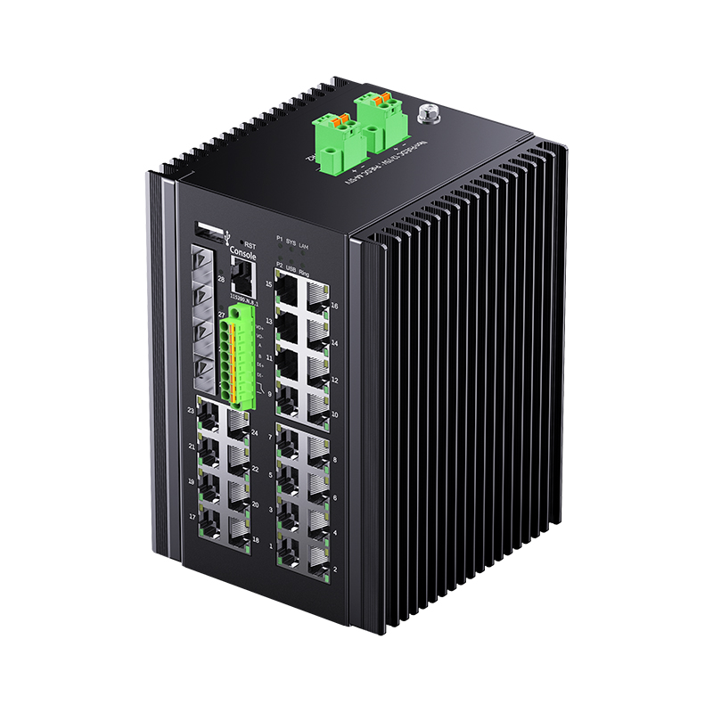 | LT-IS6328G-4GX24GT-D | ●24*10/100/1000Base-T RJ45 ports, 4*1G/2.5GBase-X SFP slots,DI/DO/RS485 ● DC 12~75V input, redundant power supply with polarity reverse/over-voltage/over-current protection ● Layer 3 features: Support IPv4/IPv6 static routing, DHCP server ● Support Layer 2 management function: VLAN/VLAN Classification/QinQ/STP, RSTP, MSTP/Port Mirroring/DHCP/Multicast/ACL/IGMP/QoS/LLDP/802.1X/Dying Gasp/SFP DDM/PoE management/IPV6 management/Web/SNMP/Telnet/TFTP/Web upgrading ●Support G.8032 ERPS protocol, recovery time ≤20ms ●Support 6KV surge protection and ESD: Air-15kV, Contact-8kV Protection ● IP40 fan-less and Din-rail hardware design ● Operation temperature: -40 ℃ ~+80℃ | ￥1,660 | LT-IS6328GP-4GX24GT | ￥1,900 | LT-IS6228GP-4GX24GT-4BT(1-4 ports support PoE++), the unit price is 2100 RMB未税
 | LT-IS6328G-4GX24GT-U-D | ●24*10/100/1000Base-T RJ45 ports, 4*1G/2.5GBase-X SFP slots ● AC/DC redundant power supply with polarity reverse/over-voltage/over-current protection ● Layer 3 features: Support IPv4/IPv6 static routing, DHCP server ● Support Layer 2 management function: VLAN/VLAN Classification/QinQ/STP, RSTP, MSTP/Port Mirroring/DHCP/Multicast/ACL/IGMP/QoS/LLDP/802.1X/Dying Gasp/SFP DDM/PoE management/IPV6 management/Web/SNMP/Telnet/TFTP/Web upgrading ●Support G.8032 ERPS protocol, recovery time ≤20ms ●Support 6KV surge protection and ESD: Air-15kV, Contact-8kV Protection ● IP40 fan-less and rack-mount hardware design ● Operation temperature: -40 ℃ ~+75℃ | ￥1,800 | LT-IS6328GP-4GX24GT-U | ￥2,100 | LT-IS6328GP-4GX24GT-U-2BT(1-2 ports support PoE++), the unit price is 2200 RMB未税
 | LT-IS6328G-20GX8GC-D | ●16*100/1000Base-X SFP slots, 8*1000Base Combo, 4*1G/2.5G SFP slots ● AC/DC redundant power supply with polarity reverse/over-voltage/over-current protection ● Layer 3 features: Support IPv4/IPv6 static routing, DHCP server ● Support Layer 2 management function: VLAN/VLAN Classification/QinQ/STP, RSTP, MSTP/Port Mirroring/DHCP/Multicast/ACL/IGMP/QoS/LLDP/802.1X/Dying Gasp/SFP DDM/IPV6 management/Web/SNMP/Telnet/TFTP/Web upgrading ●Support G.8032 ERPS protocol, recovery time ≤20ms ●Support 6KV surge protection and ESD: Air-15kV, Contact-8kV Protection ● IP40 fan-less and rack-mount hardware design ● Operation temperature: -40 ℃ ~+ 75℃ | ￥2,350 | None | None | None
Layer 2+ Managed Industrial Ethernet Switches with 10G Uplink Series
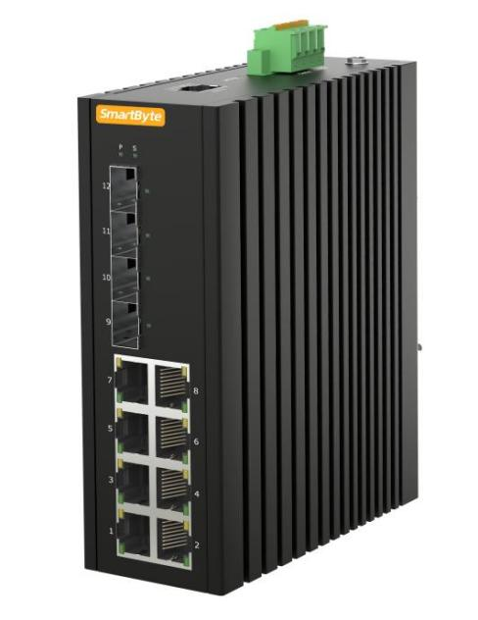 | LT-IS6312XG-4XS8GT | ●8*10/100/1000Base-T RJ45 ports, 4*1G/2.5G/10GBase-X SFP+ slots ● DC 12~58V input, redundant power supply with polarity reverse/over-voltage/over-current protection ●Support one output relay alarm ● Layer 3 features: Support IPv4/IPv6 static routing, DHCP server ● Support Layer 2 management function: VLAN/VLAN Classification/QinQ/STP, RSTP, MSTP/Port Mirroring/DHCP/Multicast/ACL/IGMP/QoS/LLDP/802.1X/Dying Gasp/SFP DDM/PoE management/IPV6 management/Web/SNMP/Telnet/TFTP/Web upgrading ●Support G.8032 ERPS protocol, recovery time ≤20ms ●Support 6KV surge protection and ESD: Air-15kV, Contact-8kV Protection ● IP40 fan-less and Din-rail hardware design ● Operation temperature: -40 ℃ ~+75℃ | ￥840 | LT-IS6312XGP-4XS8GT | ￥920 | LT-IS6312XGP-4XS8GT-2BT,1020 RMB
 | LT-IS6316XG-4XS4GX8GT | ●8*10/100/1000Base-T RJ45 ports, 4*1000Base-X SFP, 4*1G/2.5G/10GBase-X SFP+ slots ● DC 12~58V input, redundant power supply with polarity reverse/over-voltage/over-current protection ●Support one output relay alarm ● Layer 3 features: Support IPv4/IPv6 static routing, DHCP server ● Support Layer 2 management function: VLAN/VLAN Classification/QinQ/STP, RSTP, MSTP/Port Mirroring/DHCP/Multicast/ACL/IGMP/QoS/LLDP/802.1X/Dying Gasp/SFP DDM/PoE management/IPV6 management/Web/SNMP/Telnet/TFTP/Web upgrading ●Support G.8032 ERPS protocol, recovery time ≤20ms ●Support 6KV surge protection and ESD: Air-15kV, Contact-8kV Protection ● IP40 fan-less and Din-rail hardware design ● Operation temperature: -40 ℃ ~+75℃ | ￥1,400 | LT-IS6316XGP-4XS4GX8GT | ￥1,480 | AC5 停产，可以用老价格出AC3
 | LT-IS6318XG-2XS16GT | ●16*10/100/1000Base-T RJ45 ports, 2*1G/2.5G/10GBase-X SFP+ slots ● DC 12~58V input, redundant power supply with polarity reverse/over-voltage/over-current protection ●Support one output relay alarm ● Layer 3 features: Support IPv4/IPv6 static routing, DHCP server ● Support Layer 2 management function: VLAN/VLAN Classification/QinQ/STP, RSTP, MSTP/Port Mirroring/DHCP/Multicast/ACL/IGMP/QoS/LLDP/802.1X/Dying Gasp/SFP DDM/PoE management/IPV6 management/Web/SNMP/Telnet/TFTP/Web upgrading ●Support G.8032 ERPS protocol, recovery time ≤20ms ●Support 6KV surge protection and ESD: Air-15kV, Contact-8kV Protection ● IP40 fan-less and Din-rail hardware design ● Operation temperature: -40 ℃ ~+75℃ | ￥1,500 | LT-IS6318XGP-2XS16GT | ￥1,660 | None
 | LT-IS6320XG-4XS8GX8GT-D | ●8*10/100/1000Base-T RJ45 ports, 8*100/1000Base-X SFP, 4*1G/2.5G/10GBase-X SFP+ slots ● DC 12~75V input, redundant power supply with polarity reverse/over-voltage/over-current protection ● Layer 3 features: Support IPv4/IPv6 static routing, DHCP server ● Support Layer 2 management function: VLAN/VLAN Classification/QinQ/STP, RSTP, MSTP/Port Mirroring/DHCP/Multicast/ACL/IGMP/QoS/LLDP/802.1X/Dying Gasp/SFP DDM/PoE management/IPV6 management/Web/SNMP/Telnet/TFTP/Web upgrading ●Support G.8032 ERPS protocol, recovery time ≤20ms ●Support 6KV surge protection and ESD: Air-15kV, Contact-8kV Protection ● IP40 fan-less and Din-rail hardware design ● Operation temperature: -40 ℃ ~+ 80℃ | ￥1,780 | None | None | None
 | LT-IS6328XG-4XS24GT-D | ●24*10/100/1000Base-T RJ45 ports, 4*1G/2.5G/10GBase-X SFP+ slots ● DC 12~75V input, redundant power supply with polarity reverse/over-voltage/over-current protection ● Layer 3 features: Support IPv4/IPv6 static routing, DHCP server ● Support Layer 2 management function: VLAN/VLAN Classification/QinQ/STP, RSTP, MSTP/Port Mirroring/DHCP/Multicast/ACL/IGMP/QoS/LLDP/802.1X/Dying Gasp/SFP DDM/PoE management/IPV6 management/Web/SNMP/Telnet/TFTP/Web upgrading ●Support G.8032 ERPS protocol, recovery time ≤20ms ●Support 6KV surge protection and ESD: Air-15kV, Contact-8kV Protection ● IP40 fan-less and Din-rail hardware design ● Operation temperature: -40 ℃ ~+80℃ | ￥1,960 | LT-IS6328XGP-4XS24GT | ￥2,200 | LT-IS6328XGP-4XS24GT-4BT(1-4 ports support PoE++), the unit price is 2400 RMB未税
 | LT-IS6328XG-4XS24GT-U-D | ●24*10/100/1000Base-T RJ45 ports, 4*1G/2.5G/10GBase-X SFP slots ● AC/DC redundant power supply with polarity reverse/over-voltage/over-current protection ● Layer 3 features: Support IPv4/IPv6 static routing, DHCP server ● Support Layer 2 management function: VLAN/VLAN Classification/QinQ/STP, RSTP, MSTP/Port Mirroring/DHCP/Multicast/ACL/IGMP/QoS/LLDP/802.1X/Dying Gasp/SFP DDM/PoE management/IPV6 management/Web/SNMP/Telnet/TFTP/Web upgrading ●Support G.8032 ERPS protocol, recovery time ≤20ms ●Support 6KV surge protection and ESD: Air-15kV, Contact-8kV Protection ● IP40 fan-less and rack-mount hardware design ● Operation temperature: -40 ℃ ~+75℃ | ￥2,100 | LT-IS6328XGP-4XS24GT-U | ￥2,400 | LT-IS6328XGP-4XS24GT-U-2BT(1-2 ports support PoE++), the unit price is 2500 RMB未税
 | LT-IS6328XG-4XS16GX8GC-D | ●16*100/1000Base-X SFP slots, 8*1000Base Combo, 4*1G/2.5G/10G Base-X SFP+ slots ● AC/DC redundant power supply with polarity reverse/over-voltage/over-current protection ● Layer 3 features: Support IPv4/IPv6 static routing, DHCP server ● Support Layer 2 management function: VLAN/VLAN Classification/QinQ/STP, RSTP, MSTP/Port Mirroring/DHCP/Multicast/ACL/IGMP/QoS/LLDP/802.1X/Dying Gasp/SFP DDM/IPV6 management/Web/SNMP/Telnet/TFTP/Web upgrading ●Support G.8032 ERPS protocol, recovery time ≤20ms ●Support 6KV surge protection and ESD: Air-15kV, Contact-8kV Protection ● IP40 fan-less and Din-rail hardware design ● Operation temperature: -40 ℃ ~+ 75℃ | ￥2,650 | None | None | None
L3 Managed Industrial Ethernet Switch with 10G uplink series
 | LT-IS6516XG-4XS4GX8GT | Industrial L3, 8*10/100/1000Base-T RJ45,4*100/1000Base-X SFP, 4*1G/2.5G/10G SFP+ | ￥1,900 | LT-IS6516XGP-4XS4GX8GT | ￥1,980
 | LT-IS6518XG-2XS16GT | Industrial L3, 16*10/100/1000Base-T RJ45, 2*1G/2.5G/10G SFP+ | ￥2,000 | LT-IS6518XGP-2XS16GT | ￥2,160
 | LT-IS6520XG-4XS8GX8GT | Industrial L3, 8*10/100/1000Base-T RJ45, 8*100/1000Base-X SFP, 4*1G/2.5G/10G SFP+ | ￥2,280 | None
 | LT-IS6520XG-4XS16GT | Industrial L3, 16*10/100/1000Base-T RJ45, 4*1G/2.5G/10G SFP+ | ￥2,350 | LT-IS6520XGP-4XS16GT | ￥2,510 | LT-IS6520XGP-4XS16GT-4BT, 2710 RMB
 | LT-IS6528XG-4XS24GT | Industrial L3, 24*10/100/1000Base-T RJ45, 4*1G/2.5G/10G SFP+ | ￥2,460 | LT-IS6528XGP-4XS24GT | ￥2,700 | LT-IS6528XGP-4XS24GT-4BT, 2900 RMB
 | LT-IS6528XG-4XS24GT-U | Industrial L3, 24*10/100/1000Base-T RJ45, 4*1G/2.5G/10G SFP+, rack-mount | ￥2,600 | LT-IS6528XGP-4XS24GT-U | ￥2,900 | LT-IS6528XGP-4XS24GT-U-2BT, 3000 RMB
 | LT-IS6528XG-4XS16GT8GC-U | Industrial L3, 16*10/100/1000Base-T RJ45, 8*gigabit Combo, 4*1G/2.5G/10G SFP+, rack-mount | ￥2,900 | LT-IS6528XGP-4XS16GT8GC-U | ￥3,060 | LT-IS6528XGP-4XS16GT8GC-U-2BT, 3160 RMB
 | LT-IS6528XG-4XS16GX8GC-U | Industrial L3, 16*100/1000Base-X SFP, 8*gigabit Combo, 4*1G/2.5G/10G SFP+, rack-mount | ￥3,100 | None
 | LT-IS6552XG-4XS48GT-U | Industrial L3, 48*10/100/1000Base-T RJ45, 4*1G/2.5G/10G SFP+, rack-mount | ￥4,500 | 已停产

